Residential & commercial growth
Viviendas particulares habitadas por Entidad federativa y Periodo

Year | 1990 | 1995 | 2000 | 2005 | 2010 | 2015
Number of homes | 16183310 | 19403409 | 21942535 | 24706956 | 28607568 | 31949709 | Total growth rate
Growth rate |  | 3.7% | 2.5% | 2.4% | 3.0% | 2.2% | 2.8%

http://www.beta.inegi.org.mx

Commercial buildings annual growth rate |  |  | 4.93%

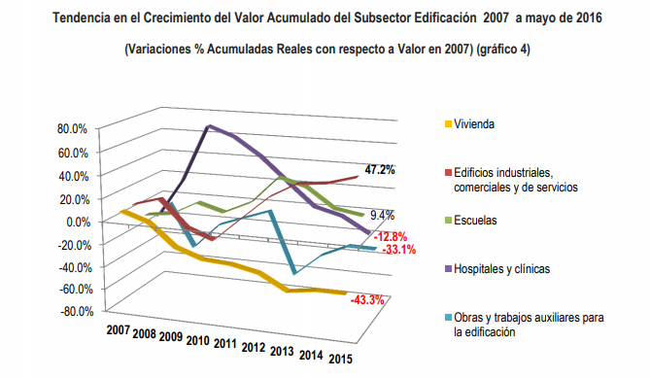

http://www.cmic.org.mx/cmic/ceesco/2016/Art%C3%ADculo%2001092016.pdf

